Sheet1
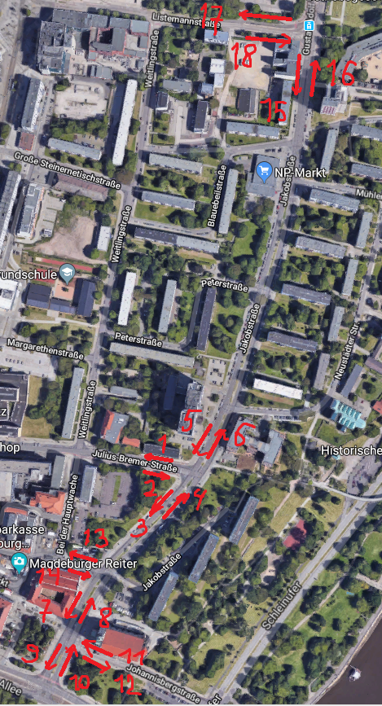
1 |  | 2 |  | 3 |  | 4 |  | 5 |  | 6
Zeitintervall | Cars_h | Zeitintervall | Cars_h | Zeitintervall | Cars_h | Zeitintervall | Cars_h | Zeitintervall | Cars_h | Zeitintervall | Cars_h
6-7 | 105 | 6-7 | 44 | 6-7 | 152 | 6-7 | 105 | 6-7 | 163 | 6-7 | 148.5
7-8 | 158.5 | 7-8 | 108.5 | 7-8 | 260.5 | 7-8 | 158.5 | 7-8 | 255 | 7-8 | 216
8-9 | 156 | 8-9 | 98 | 8-9 | 235.5 | 8-9 | 156 | 8-9 | 225 | 8-9 | 232.5
9-10 | 149.5 | 9-10 | 135 | 9-10 | 267 | 9-10 | 149.5 | 9-10 | 224 | 9-10 | 236
10-11 | 135 | 10-11 | 127 | 10-11 | 269.5 | 10-11 | 135 | 10-11 | 229.5 | 10-11 | 232.5
11-12 | 123 | 11-12 | 156 | 11-12 | 325 | 11-12 | 123 | 11-12 | 257 | 11-12 | 243.5
12-13 | 126.5 | 12-13 | 177 | 12-13 | 327.5 | 12-13 | 126.5 | 12-13 | 236.5 | 12-13 | 226
13-14 | 120 | 13-14 | 181 | 13-14 | 324.5 | 13-14 | 120 | 13-14 | 222.5 | 13-14 | 245
14-15 | 150 | 14-15 | 190 | 14-15 | 327.5 | 14-15 | 150 | 14-15 | 260.5 | 14-15 | 302.5
15-16 | 178 | 15-16 | 225 | 15-16 | 376.5 | 15-16 | 178 | 15-16 | 266.5 | 15-16 | 323.5
16-17 | 174 | 16-17 | 239.5 | 16-17 | 465 | 16-17 | 174 | 16-17 | 349 | 16-17 | 345.5
17-18 | 175 | 17-18 | 227.5 | 17-18 | 381 | 17-18 | 175 | 17-18 | 263 | 17-18 | 337.5
18-19 | 110 | 18-19 | 153 | 18-19 | 265.5 | 18-19 | 110 | 18-19 | 182.5 | 18-19 | 252
mean | 143.11538462 |  | 158.57692308 |  | 305.92307692 |  | 143.11538462 |  | 241.07692308 |  | 257
stdev | 25.014290787 |  | 56.595364266 |  | 77.864156857 |  | 25.014290787 |  | 44.885431078 |  | 55.686623169

7 |  | 8 |  | 9 |  | 10 |  | 11 |  | 12
Zeitintervall | Cars_h | Zeitintervall | Cars_h | Zeitintervall | Cars_h | Zeitintervall | Cars_h | Zeitintervall | Cars_h | Zeitintervall | Cars_h
6-7 | 158 | 6-7 | 235 | 6-7 | 203 | 6-7 | 363 | 6-7 | 152 | 6-7 | 235
7-8 | 259 | 7-8 | 329 | 7-8 | 349 | 7-8 | 552 | 7-8 | 280.5 | 7-8 | 413.5
8-9 | 260 | 8-9 | 327 | 8-9 | 309 | 8-9 | 513.5 | 8-9 | 245 | 8-9 | 382.5
9-10 | 298 | 9-10 | 330 | 9-10 | 393 | 9-10 | 565.5 | 9-10 | 285 | 9-10 | 425.5
10-11 | 277 | 10-11 | 391 | 10-11 | 379 | 10-11 | 644 | 10-11 | 301 | 10-11 | 452
11-12 | 343 | 11-12 | 343 | 11-12 | 424.5 | 11-12 | 624 | 11-12 | 292 | 11-12 | 491.5
12-13 | 283 | 12-13 | 325.5 | 12-13 | 377 | 12-13 | 588.5 | 12-13 | 293.5 | 12-13 | 462.5
13-14 | 320.5 | 13-14 | 386 | 13-14 | 458 | 13-14 | 626.5 | 13-14 | 326 | 13-14 | 429
14-15 | 358.5 | 14-15 | 418.5 | 14-15 | 514.5 | 14-15 | 680.5 | 14-15 | 408 | 14-15 | 514
15-16 | 438.5 | 15-16 | 458.5 | 15-16 | 652 | 15-16 | 749 | 15-16 | 487 | 15-16 | 564
16-17 | 486.5 | 16-17 | 460.5 | 16-17 | 720 | 16-17 | 817.5 | 16-17 | 546 | 16-17 | 669.5
17-18 | 406 | 17-18 | 394.5 | 17-18 | 596 | 17-18 | 716 | 17-18 | 465 | 17-18 | 596.5
18-19 | 328 | 18-19 | 362.5 | 18-19 | 519 | 18-19 | 573 | 18-19 | 412.5 | 18-19 | 432
 | 324.30769231 |  | 366.23076923 |  | 453.38461538 |  | 616.38461538 |  | 345.65384615 |  | 466.73076923
 | 85.762156199 |  | 61.649417199 |  | 144.11123508 |  | 114.44597595 |  | 110.39783826 |  | 107.41539605

13 |  | 14 |  | 15 |  | 16 |  | 17 |  | 18
Zeitintervall | Cars_h | Zeitintervall | Cars_h | Zeitintervall | Cars_h | Zeitintervall | Cars_h | Zeitintervall | Cars_h | Zeitintervall | Cars_h
6-7 | 65 | 6-7 | 65 | 6-7 | 195 | 6-7 | 238 | 6-7 | 61 | 6-7 | 63
7-8 | 97 | 7-8 | 97 | 7-8 | 201 | 7-8 | 356 | 7-8 | 91 | 7-8 | 94
8-9 | 93 | 8-9 | 93 | 8-9 | 280 | 8-9 | 343 | 8-9 | 87 | 8-9 | 90
9-10 | 100 | 9-10 | 100 | 9-10 | 301 | 9-10 | 368 | 9-10 | 94 | 9-10 | 97
10-11 | 101 | 10-11 | 101 | 10-11 | 305 | 10-11 | 374 | 10-11 | 95 | 10-11 | 98
11-12 | 107 | 11-12 | 107 | 11-12 | 322 | 11-12 | 394 | 11-12 | 100 | 11-12 | 103
12-13 | 103 | 12-13 | 103 | 12-13 | 312 | 12-13 | 381 | 12-13 | 97 | 12-13 | 100
13-14 | 107 | 13-14 | 107 | 13-14 | 323 | 13-14 | 396 | 13-14 | 101 | 13-14 | 104
14-15 | 121 | 14-15 | 121 | 14-15 | 367 | 14-15 | 448 | 14-15 | 114 | 14-15 | 118
15-16 | 139 | 15-16 | 139 | 15-16 | 420 | 15-16 | 514 | 15-16 | 131 | 15-16 | 135
16-17 | 153 | 16-17 | 153 | 16-17 | 462 | 16-17 | 566 | 16-17 | 144 | 16-17 | 148
17-18 | 134 | 17-18 | 134 | 17-18 | 405 | 17-18 | 495 | 17-18 | 126 | 17-18 | 130
18-19 | 104 | 18-19 | 104 | 18-19 | 313 | 18-19 | 382 | 18-19 | 97 | 18-19 | 100
 | 109.53846154 |  | 109.53846154 |  | 323.53846154 |  | 404.23076923 |  | 102.92307692 |  | 106.15384615
 | 22.640727994 |  | 22.640727994 |  | 77.208176796 |  | 84.416777406 |  | 21.426080441 |  | 21.991839979

